1. Title Page
[Instacart Basket Analysis]

Project Name: Instacart Basket Analysis
Date: Tuesday July 16th
Analyst Name: Allison Weese

Contents:
Population Flow
Consistency checks
Wrangling steps
Column derivations
Visualizations
Recommendations

Data: https://www.kaggle.com/c/instacart-market-basket-analysis/data

2. Population Flow
Title page

Population flow

Exclusion flag
Condition: max_order <
Obervations to be removed:
Final total count of order_products_all:

Orders_products_combined
Orders_products_merged
Orders_products_all

Total: 32,404,859
Total: 32,434,489
Total: 32,303,859

1.) The grey boxes in the first row of the population flow represent the original data sets as they were when you downloaded them. In the Total fields you need to add the count of the rows when you imported the data set into Jupyter.
2.) The second row of boxes (coloured) represents the data sets after you manipulated them, e.g., removed missing values and duplicates. In the Total fields you need to add the count of the rows after conducting these operations. This offers a visual oveview of how the data flows throughout the data consistency checks.
3.) The third row, where also the arrows are coloured, represents the merges you performed between the datasets. In the Total fields you need to add the count of the rows in the merged datasets, so that you end up with the final dataset (in the red box). Keep in mind the final dataset should be without exclusions (based on the exclusion flag).

3. Consistency checks
 |  |  |  | Title page
Consistency checks

Dataset | Missing values | Missing values treatment | Duplicates
orders | 206209 days_since_last_order missing | Changed NaN to Mean | 0
products | 16 product_names missing | Removed | 5 Duplicates also removed
orders_products_prior | 0 | 0 | 0
customers | 11259 First Names missing | Removed Column due to PII | 0
products | Outliers 99999 and 14900 | Changed to 9.99 and 1.49 | n/a

4. Wrangling steps
 |  |  |  | Title page
Wrangling steps

Columns dropped | Columns renamed | Columns' type changed | Comment/Reason
eval_set |  |  | Irrelevant
_merge |  |  | Removed once merge was checked
First Name |  |  | Dropped due to PII concerns
Last Name |  |  | Dropped due to PII concerns
 | n_dependants |  | Changed to Dependents for readabilty
 | order_dow |  | Changed to order_day_of_week so its more consumable
 |  | order_id | Changed to string
 |  | department_id | Changed to string
 |  | user_id | Changed to string

5. Column derivations
 |  |  |  | Title page

Column derivations and aggregations

In this tab you should add tables below that the frequences of flags/label variables that you produced after deriving them. NB: don't do this for continuous variables, only for flags.
Dataset | New column | Column/s it was derived from | Conditions
ords_prods_merge | price_range_loc | prices | <=5: low-range product, >5<=15: mid-range product, > 15: high-range data
ords_prods_merge | busiest_day | order_day_of_week | 0,1: Busiest Days (Sunday, Monday), 4,3: Slowest Days (Wednesday, Tuesday), Every other day: Regularly Busy
ords_prods_merge | busiest_period_of_day | order_hour_of_day | hours 9-16: Most Orders - 0-6,23: Fewest Orders - All other hours: Average Orders
ords_prods_merge | max_order | user_id, order_number | This was used to create the loyalty flag, shows max order for each row
ords_prods_merge | loyalty_flag | max_order | >40: Loyal Customer, <=40 Regular Customer, <40 New Customer (numbers based on orders)
ords_prods_merge | spending_flag | user_id, prices | <10 Low spender, Else High spender
ords_prods_merge | order_frequency_flag | user_id, days_since_prior_order | >20: Non-frequent customer, <= 20: Regular Customer, Else: Frequent Customer (numbers based on median days since prior order)
orders_products_combined4.9 | exclusion_flag | order_count | Created order_count column to exclude customers with less than 5 orders
orders_products_combined4.9 | age_group | age | Under 18, 18-30, 30-45, 45-65, 65+
orders_products_combined4.9 | income_group | income | 0, 30000, 60000, 100000, 150000, 200000: Low, Lower-middle, Middle, Middle-high, High
orders_products_combined4.9 | profile | dependents, age | 0 Dependents and <30: Single Adult, 0 Dependents and >=30 <= 45: Middle aged single, 0 Dependents >45 Older single adult, < 30 and dependents: Young Parent, Depedents and >=30 <= 45 Middle aged parent, Dependents and >45 Older Parent
orders_products_combined4.9 | Region | state | 'Northeast': ['Maine', 'New Hampshire', 'Vermont', 'Massachusetts', 'Rhode Island', 'Connecticut', 'New York', 'Pennsylvania', 'New Jersey'], Midwest': ['Wisconsin', 'Michigan', 'Illinois', 'Indiana', 'Ohio', 'North Dakota', 'South Dakota', 'Nebraska', 'Kansas', 'Minnesota', 'Iowa', 'Missouri'], 'South': ['Delaware', 'Maryland', 'District of Columbia', 'Virginia', 'West Virginia', 'North Carolina', 'South Carolina', 'Georgia', 'Florida', 'Kentucky', 'Tennessee', 'Mississippi', 'Alabama', 'Oklahoma', 'Texas', 'Arkansas', 'Louisiana'], 'West': ['Idaho', 'Montana', 'Wyoming', 'Nevada', 'Utah', 'Colorado', 'Arizona', 'New Mexico', 'Alaska', 'Washington', 'Oregon', 'California', 'Hawaii']

6. Visualizations
 |  |  |  |  |  | Title page

Visualisations

In this tab you should include all the visualtions from Exercises 4.9 and 4.10, alongside the questions from the project brief that they answer. Include any commentary on the relationship between different variables.

Key Question: Which day of the week has the most orders? |  |  |  | What is the distribution of prices across items in the instacart database? |  |  | Does the day of the week have any correlation to prices of items bought?

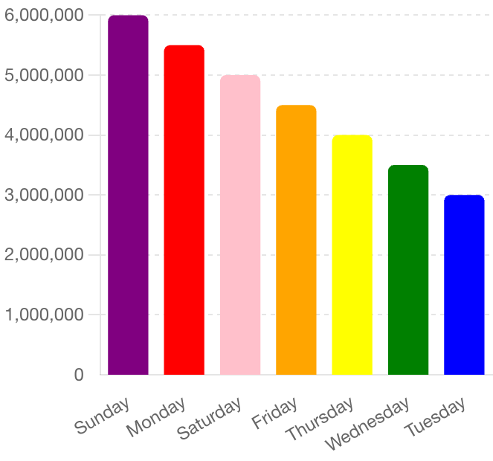
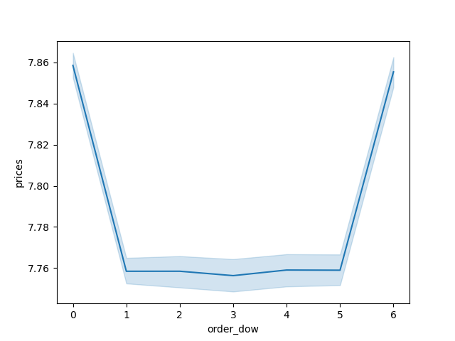

0= Sunday
1 = Monday
2 = Tuesday
3 = Wednesday
4 = Thursday
5 = Friday
6 = Saturday

Day of the Week
Prices in Dollars

Commentary: Here it is shown that Sunday is the biggest day of the week for orders |  |  |  | Most items cost between 1 and 15 dollars |  |  |  | It appears customers spend more money on the weekends.

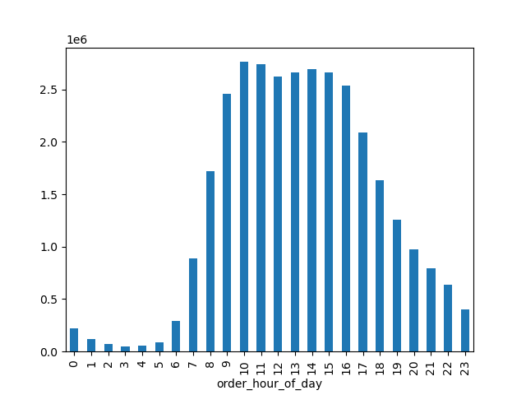
 | Which hours of the day are busiest? |  |  | Does customer loyalty contribute to the amount of orders customers place? |  |  |  | Is there a difference in expenditure based on time of day?
y axis = count of order average



 | Most instacart orders happen between 8 and 18 |  |  |  | Regular customers actually place more orders than loyal customers
 |  |  |  |  |  |  |  |  | At 10, items that cost less are bought more.

Is there a connection between age and family situation? |  |  |  | Is there a correlation between age and income?

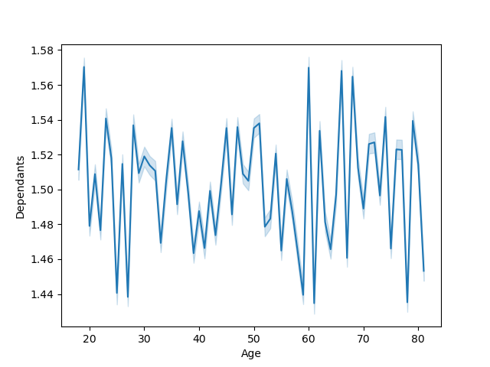

 |  |  |  |  |  |  |  |  | Does region along with parental status and age make a difference?
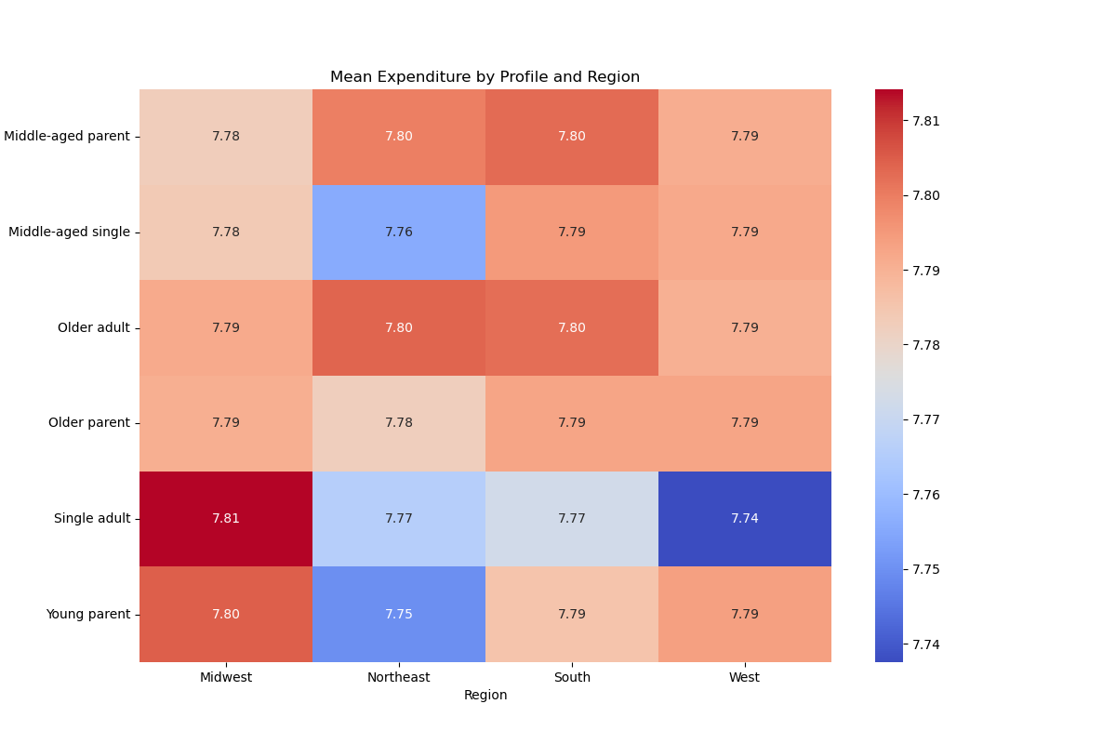

It does not appear there is a correlation between age and family situation. |  |  |  | There are more high earners in the 40 and older category.

 |  |  |  |  |  |  |  | Single adults in the midwest are the biggest spenders, where single adults in the west are the lowest spenders.

 |  | What is the distribution of customer profiles?

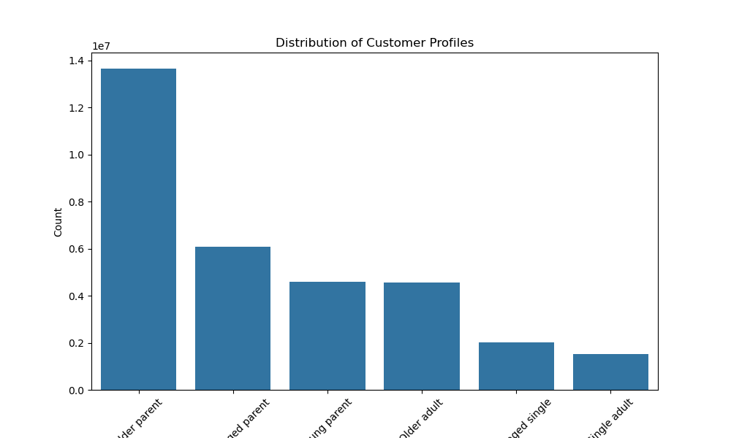

 |  |  | Older parents spend more and single adults spend the least.

 |  |  | It got cut off a bit in the export process. From left to right we have Older Parent, Middle Aged Parent, Single Parent, Older Single Adult, Middle Aged Single, and Single aAdult

7. Recommendations
 |  | Title page

Recommendations

In this tab you should include any recommendations you would make to Instcart in terms of their marketing strategy based on the questions posed in the brief. Every key question has been covered in the Tasks of the Exercises - here you need to add an item - a visualisation or table/crosstable that is showing the answer in the data, acompanied by a comment from you. Please, list the questions below and add the answer underneath.

Question | Answer
1. Which days of the week are busiest? | The weekends are the busiest, focus marketing on Saturdays and Sundays.
2. Which hours are the busiest | 8-18 are the busiest hours, focus on marketing during these hours
3. Are there differences between expenditure based on time of day? | Customers spend more money on higher cost products during the hours outside of 8-18, and more money on lower cost products between 8-18. Market higher-value items during the off hours.
4. What is the distribution of prices? | Most products cost between 1 and 15 dollars, with some ranging up to 25.
5. Are loyal customers more likely to return to instacart? | Loyal customers who return the most reliably are not the best customers. The average customer makes the most orders
6. Final Recommendations | Based on all of the charts in this tab and the visualization tab, it is easier to see where marketing efforts should be placed. For example, running advertisements during the highest trafficked day and times (The weekends between 8-18), would be wise

1


2

3

4

